Solution
Applied Acoustic - test of 14/12/2021

Matricula
A | B | C | D | E | F
1 | 2 | 3 | 4 | 5 | 6

1) Check the sentences you think are always TRUE |  |  |  |  |  | (multiple answers allowed)
¨ IIR filters are always preferable to FIR filters, as IIR is more efficient computationally
¨ The design of IIR filters is tricky and difficult, as they can be unstable
¨ The design of FIR filters is simple, and \
¨ A modern processor can use FIR filters \
¨ A modern processor can use FIR filters of any length (even millions of taps)
¨ Aliasing occurs when an analog-to-digital converter is operated with a limited resolution (less than 24 bits)

2) An Ambisonics multichannel audio track can be: |  |  |  |  |  | (multiple answers allowed)
¨ recorded using a compact microphone array
¨ synthesized from a number of mono tracks, spatially panned in different locations
¨ reproduced over headphones by convolving with a proper binaural filter matrix
¨ reproduced over a loudspeaker rig, employing a proper decoder
¨ converted to any other "coincident" stereo recording, such as XY or MS
¨ converted to any closely-spaced stereo recording, such as ORTF or INA
¨ employed for feeding a Dolby Digital Surround system (5.1)

3) What is "spatial aliasing" ? |  |  |  |  |  | (a single answer)
¡ It is the appearance of spurious peaks when the signal contains frequencies above the Nyquist frequency (half of the sampling frequency)
¡ It is the appearance of the last part of an impulse response before the arrival of the direct sound, being folded back at the beginning when the IR was cut too short
¡ It is the distortion of the spatial information occurring when the signal contains frequencies too large in comparison of the spacing between the microphones constituting a microphone array
¡ It is the distortion of the spatial information occurring when the signal contains frequencies too large in comparison of the spacing between the loudspeakers in a WFS array
¡ It is the disruption of the signal integrity caused by jitter on the sampling clock
¡ It is the distortion of the waveform caused by using a converter with a limited resolution (number of bits) |  |  |  |  |  |  |  |  |  |  |  |  |  |  | S |  | x

4) On ORTF stereo microphone pair is recording a sound source located at an azimuth of 30+2*F degrees from front. Compute the inter-channel time delay. |  |  |  |  |  |  |  |  |  |  |  |  |  |  |  | Alpha = | 42°
(write number and measurement unit) |  |  |  |  | Az = | 42 | °
 |  |  |  |  | b = d*sin(Alpha) = |  | 0.11375220308 | m |  |  |  |  |  |  |  |  | a | b
 |  |  |  |  | DeltaTau = b/c = |  | 0.33456530318 | ms
 |  |  |  |  |  |  |  |  |  |  |  |  |  |  |  |  | 17 cm
5) An Ambisonics microphone is recording a sound source located at an azimuth of 30+2*F degrees from front. Compute the level difference between channels X and Y.
(write number and measurement unit) |  |  |  |  | Az = | 42 | °
 |  |  |  |  | X = cos(alpha) = |  | 0.74314482548 | Delta(dB) = 20*log(X/Y) = |  |  | 0.91125125939 | dB
 |  |  |  |  | Y = sin(alpha) = |  | 0.66913060636

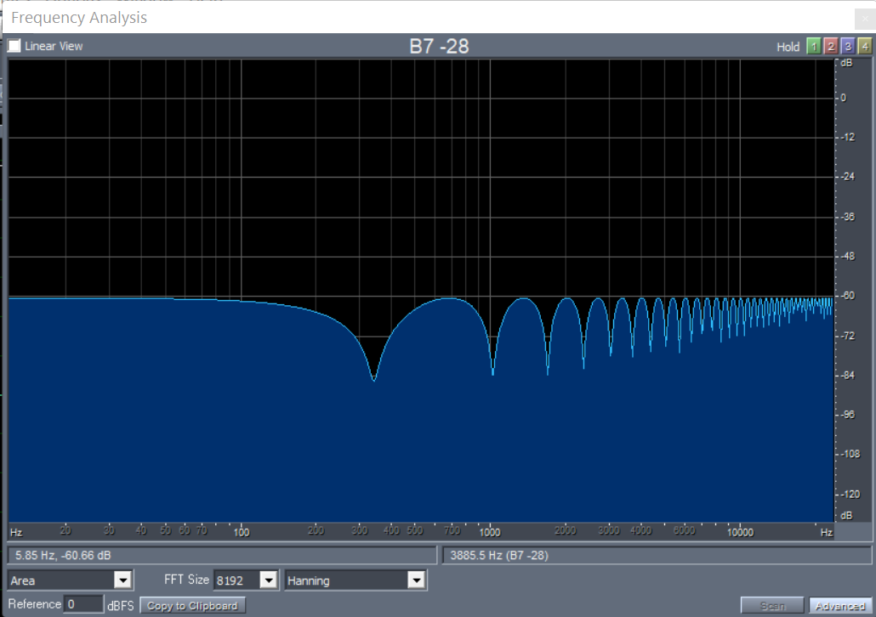
6) A microphone is placed 20+E cm in front of a reflecting wall. The sound is impinging on the microphone perpendicularly to the wall surface, and bounces back to the microphone, causing a nasty comb filtering effect. Compute the frequency of the first notch.
(write number and measurement unit) |  |  |  |  | d = | 0.25 | m |  |  | 2d = | 0.5 | m ; Datau = 2d/c = | 0.0014705882353 | s
 |  |  |  |  | d = Lambda/4 |  |  |  |  |  |  |  | 70.588235294 | samples
 |  |  |  |  | Lambda = 4*d = |  | 1 | m | =c/f
 |  |  |  |  | f = c/lambda = |  | 340 | Hz

7) The sound system of a car has two speakers, and must be optimized for the driver. The distances of the two loudspeakers from the center of the driver's head are: rleft = 0.4+F/20 m, rright = 0.8 +E/25 m. Compute the delay to be applied to the left channel for aligning temporally the two signals.
(write number and measurement unit) |  |  |  |  | rleft = | 0.7 | m | rright = | 1 | m
 |  |  |  |  | Delta-dist = rright-rleft = |  |  | 0.3 | m
 |  |  |  |  | Delta Tau = Delta-dist/c = |  |  | 0.00088235294118 | s
 |  |  |  |  |  |  |  | 0.88235294118 | ms

8) In the same case as the previous exercise, compute the gain reduction to be applied to the left channel for aligning the amplitude of the two direct-sound signals.
(write number and measurement unit) |  |  |  |  | Lw = | 100 | dB
 |  |  |  |  | Ll = Lw -11 -20*log10(rleft) = |  |  | 92.0980392 | dB
 |  |  |  |  | Lr = Lw -11 -20*log10(rright) = |  |  | 89 | dB
 |  |  |  |  | Gain Reduction Left = |  |  | 3.0980391997 | dB

