Solution
Applied Acoustic - test of 30/11/2021

Matricula
A | B | C | D | E | F
1 | 2 | 3 | 4 | 5 | 6

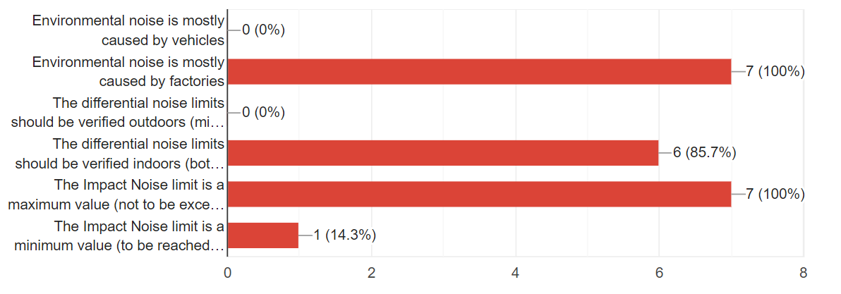
1) Check the sentences you think are always TRUE
(multiple answers allowed)
¨ Environmental noise is mostly caused by vehicles
¨ Environmental noise is mostly caused by factories
¨ The differential noise limits should be verified outdoors (microphone outside the window)
¨ The differential noise limits should be verified indoors (both with open an closed windows)
¨ The Impact Noise limit is a maximum value (not to be exceeded)
¨ The Impact Noise limit is a minimum value (to be reached or surpassed)

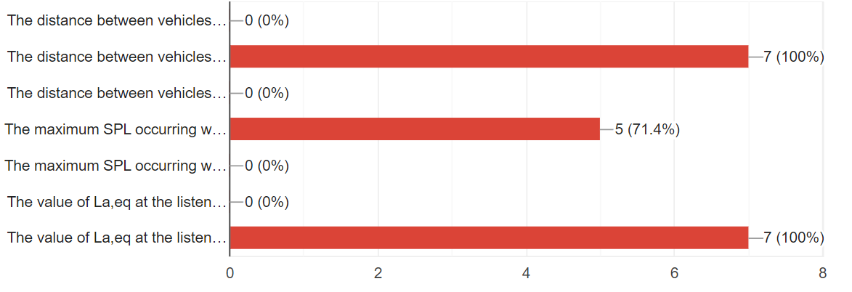
2) Along a road the traffic flow is doubled, but the speed is unchanged. The consequences are:
(multiple answers allowed)
¨ The distance between vehicles, a, remains constant
¨ The distance between vehicles, a, reduces to half
¨ The distance between vehicles, a, doubles
¨ The maximum SPL occurring when a vehicle is just in front of the microphone does not change
¨ The maximum SPL occurring when a vehicle is just in front of the microphone increases by 3 dB
¨ The value of La,eq at the listener position does not change
¨ The value of La,eq at the listener position increases by 3 dB

3) What is the correct definition of SEL?
(a single answer)
¡ It is the maximum level when a vehicle is passing in front of the microphone
¡ It is the equivalent level integrated over the duration of 1s
¡ It is the equivalent level integrated over the duration T of an event, La,eq, plus 10*log10(T/T0), where T0 is equal to 1s |  |  |  |  |  |  |  |  |  |  | = SEL
¡ It is the equivalent level integrated over the duration T of an event, La,eq, plus 10*log10(T/T0), where T0 is equal to 8h |  |  |  |  |  |  |  |  |  |  | = Lep
¡ It is a measure of the total acoustical energy associated with an event
¡ It is a measure of the total acoustical power associated with an event

4) In a standing wave tube the difference between SPLmax and SPLmin is 3+F/4 dB. Compute the apparent absorption coefficient, α, of the sample inserted in the tube.
(write number and measurement unit)
DeltaL = | 4.5 | dB | SWR = | 1.6788040181 |  | Alpha = | 0.936

5) In a standing wave tube the difference between Ld and Li is 3+F/4 dB. Compute the apparent absorption coefficient, α, of the sample inserted in the tube.
(write number and measurement unit)
DeltaL = | 4.5 | dB | I/EDc = | 0.35481338923 |  | Alpha = | 0.524

6) A measurement according to EN 1793/5 is performed on a noise barrier, with dsm=1.5m and dm=0.5m. The difference between the incident SPL and the reflected SPL is 3+F/4. Compute the apparent absorption coefficient, α, of the barrier.
(write number and measurement unit)
dsm = | 1.5 | m | SPL,dir = Lw-11-20*log10(dsm) |  |  |  | = | 100 | dB | Lw = SPL.dir+11+20*log10(dsm) = |  | 114.52182518 | dB
dsm' = | 2.5 | m | SPL,rif = Lw-11-20*log10(dsm')+10*log10(1-Alpha) |  |  |  | = | 95.5 | dB | 10*log10(1-Alpha) = |  | -0.063025007673 | dB
 |  |  |  |  |  |  |  |  |  | Alpha = 1-10^(O48/10) = |  | 0.014407252129

7) A reverberant room has a volume of 200+EF m3. The reverberation time of the room (empty) is 6+D/4 s. After inserting a surface S=10+E m2 of absorbing material, the new reverberation time reduces by 2 s. Compute the apparent absorption coefficient, α, of the absorbing material.
(write number and measurement unit)
V= | 256 | m3 | Te = | 7 | s | Alpha = | 0.156
S = | 15 | m2 | Ts = | 5 | s

8) Compute the Personal Exposure Level, Lep, of a worker having the following exposure profile:

(write number and measurement unit)
Time (h) | 2 | 1 | 3 | 4
Leq (dBA) | 81.5 | 77 | 75 | 79
10^(Li/10) | 141253754.46 | 50118723.363 | 31622776.602 | 79432823.472

Lep = 10*log10((T1*10^(L1/10)+T2*10^(L2/10)+T3*10^(L3/10)+T4*10^(L4/10))/8)
Lep = | 79.7 | dB(A)

