Correction
Applied Acoustics - In-Class test - 22/12/2017
Matricula Number |  | A | B | C | D | E | F
 |  | 1 | 0 | 3 | 7 | 5 | 4

1) Compute the value of Leq at the end of a measurement, during which the SPL was 60+F dB(A) for 1+D hours and 65+E dB(A) for 2+C/3 hours |  |  |  |  |  |  |  |  |  |  |  | 5 points |  | SPL | Leq
Write number and measurement unit |  |  |  |  |  |  |  |  |  |  | Leq = 10*LOG10(((1+D)*10^((60+F)/10)+(2+C/3)*10^((65+E)/10))/(1+D+2+C/3)) = | 66.6 | dB(A) |  |  | time

2) Compute the SPL inside a room having a volume V=300+D*20 m³, a reverberation time of 1+F/10s, where the receiver is at the critical distance from a point source having an Lw=90+E dB. |  |  |  |  |  |  |  |  |  |  |  | 5 points
Write number and measurement unit |  |  |  |  |  |  |  |  |  |  | SPL = Lw + 10*log10 (4/A) + 3 dB = Lw + 10*log10(4/(0.16*V/T)) + 3 = | 87.0 | dB

3) Compute the total SPL in dB(A) of a pink spectrum in octave bands ranging between 31 Hz and 16 kHz (10 octave bands). The SPL in each octave band is 60+F dB. |  |  |  |  |  |  |  |  |  |  |  | 5 points
Write number and measurement unit |  |  |  |  |  |  |  |  |  |  |  |  |  | SPL (dB)
 | f (Hz) | 31 | 63 | 125 | 250 | 500 | 1000 | 2000 | 4000 | 8000 | 16000 | Total
 | SPL (dB) | 64 | 64 | 64 | 64 | 64 | 64 | 64 | 64 | 64 | 64 | 74 | dB
 | A-w (dB) | -39.4 | -26.2 | -16.1 | -8.6 | -3.2 | 0 | 1.2 | 1 | -1.1 | -6.6
 | SPL (dBA) | 24.6 | 37.8 | 47.9 | 55.4 | 60.8 | 64 | 65.2 | 65 | 62.9 | 57.4 | 71.2 | dB(A)
 | Energy | 288.40315031 | 6025.5958607 | 61659.500186 | 346736.85045 | 1202264.4346 | 2511886.4315 | 3311311.2148 | 3162277.6602 | 1949844.5998 | 549540.87386 | 13101835.564 |  |  | f (Hz)
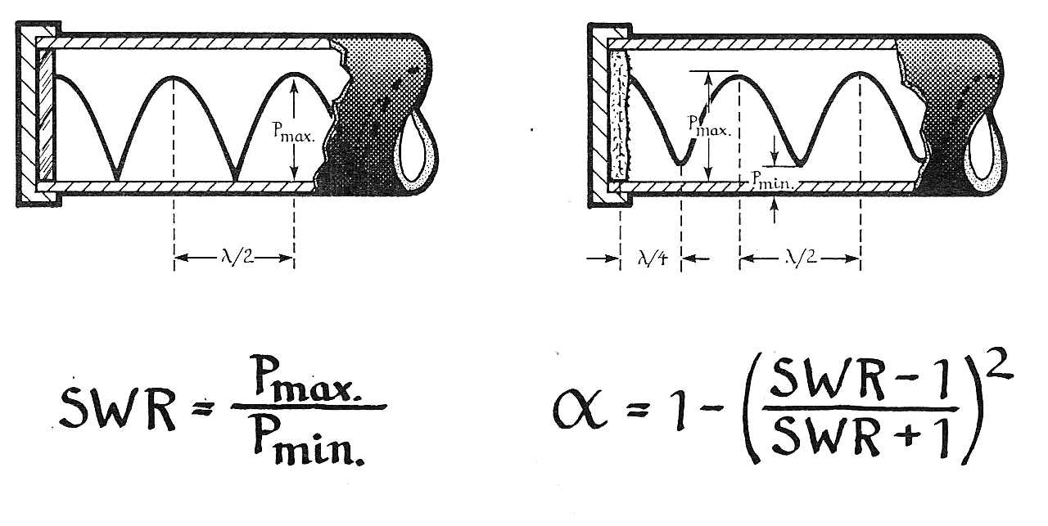
4) In a standing wave tube the values of pmax and pmin are respectively 1+F/10 Pa and 0.2+E/50 Pa. Compute the value of the apparent sound absorption coeff. a of the sample placed at the end of the tube. |  |  |  |  |  |  |  |  |  |  |  | 5 points
Write number and measurement unit
 |  |  |  |  | SWR = pmax/pmin = |  | 4.6666666667 |  |  |  | = | 0.58131487889

5) Check the sentences you think are TRUE |  |  |  |  |  | (multiple answers allowed) |  |  |  |  |  | 3 points each
¨ The sound pressure level is always larger than the sound intensity level
¨ The values of the levels in dB of sound pressure, particle velocity, sound intensity and sound energy density are always equal
¨ The sound intensity level is always smaller or equal than the sound energy density level
¨ The sound energy density level is the energetic average between sound pressure level and sound particle velocity level
¨ The sound speed in air is constant (340 m/s)
¨ The sound speed in air is proportional to the temperature
¨ The sound speed in air is proportional to the square root of temperature
¨ The sound speed depends on the sound level and frequency

6) What's the decay rate with distance for a point-like source ? |  |  |  |  |  | (one answer only) |  |  |  |  |  | 4 points
¡ 3 dB / octave
¡ 6 dB / meter
¡ 6 dB / doubling distance
¡ 3 dB / doubling distance
¡ DL2 = 3 dB

7) What's the decay rate with distance for a line source ? |  |  |  |  |  | (one answer only) |  |  |  |  |  | 4 points
¡ 3 dB / octave
¡ 6 dB / meter
¡ 6 dB / doubling distance
¡ 3 dB / doubling distance
¡ DL2 = 3 dB

